Sheet1
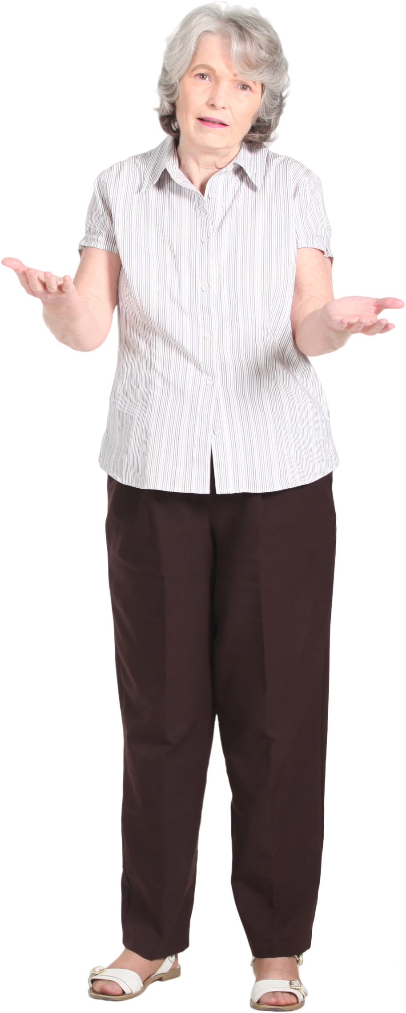
PROBLEM
T1 |  | T2
Item | Value | Item | YesNo | YesNo | Item1 | Item2 | Sum | %age
A | 66 | A | No | Yes | B | D | 81 | 40%
RESULT
B | 22 | B | Yes | Yes | F | H | 76 | 38%
C | 89 | C | No | Yes | J |  | 45 | 22%
D | 59 | D | Yes | No | A | C | 155 | 51%
E | 75 | E | No | No | E | G | 127 | 42%
F | 29 | F | Yes | No | I | K | 23 | 8%
G | 52 | G | No
From tables T1 and T2, generate the result table. Here, all Yes are aligned first and then No. %age column is %age for Yes and No respectively.
H | 47 | H | Yes
I | 11 | I | No
J | 45 | J | Yes
K | 12 | K | No

